Appendix3
No. | Check Items | Comment | Steps (How to check or get evidence) | Screenshots (Expected) | Screenshots (Actual Result) | Note (Date & Time) | OK/NG
1 | Check of virus definition | Is the virus definition file updated within 7days? (If you cannot access FJ-WAN or Internet, the term is within one month.) | 1. Open the Sophos Endpoint Security Control 2. Select "View Product Information" from the left-side menu 3. Click "Software" under Updating Category | 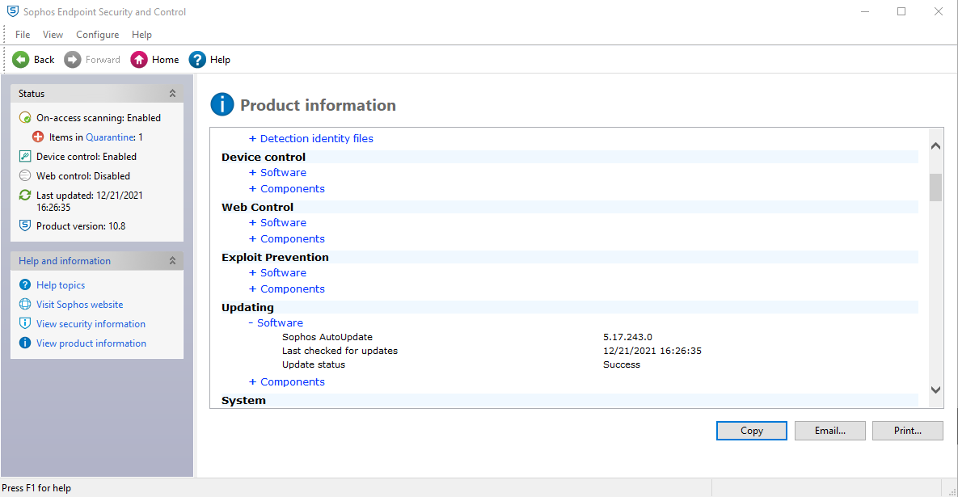 | 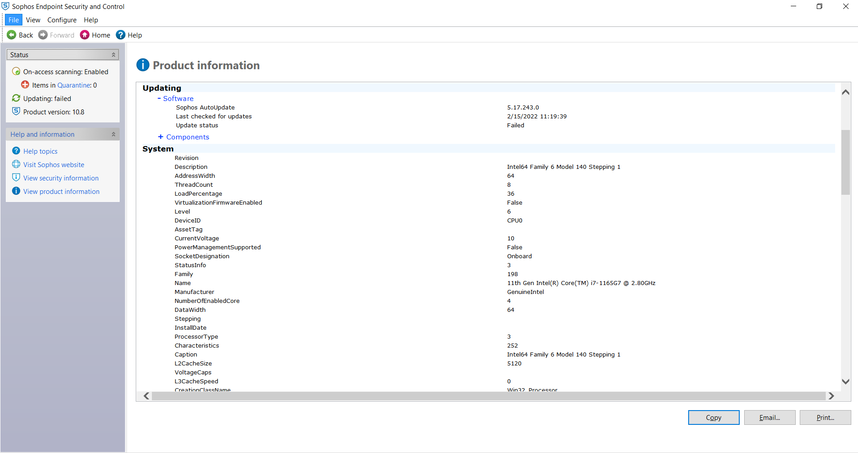 | 2022-02-14 | ok
2 | Real-time security（Auto-Protect） | Is real-time protect (Auto-Protect) active?
3 | Virus scanning（scheduled scan ） | Is virus scan (scheduled scan) set-up? | company policy / IT to send monthly report
4 | Virus scanning carried out within seven days | Has the virus scan been carried out within 7days? |  |  |  | 2022-02-14
5 | Scanning all of the drives | Are all drives target of virus scan? | GDC policy
6 | Windows logon password | Is the Windows login password set-up? | GDC policy
7 | Screen lock password | Is the screen lock password set? | GDC policy
8 | Waiting time of the screen saver (within 10 minutes) | Is the waiting time of the screen saver within 10 minutes? | 1. Right click on the desktop 2. Select Display Settings 3. Select Power & Sleep 4. Set the waiting time of the screen saver to 10 minutes GDC policy
9 | Password for recovery from standby | Is password required when waking up from standby? | GDC policy
10 | BIOS password | In the case of a laptop, is the BIOS password set? | 1. Upon start click F12 2. If no password prompt - NG |  |  | 2022-02-14 | OK
11 | HDD password | In the case of a laptop, is HDD password set? | 1. In the windows search type 「This PC」 2. Click This PC 2. Double click Local disk |  |  | 2022-02-14 | OK
12 | Support of OS *1 | Is OS supported by microsoft? Please confirm the end of OS support. *1 | 1. In the windows search, type "cmd" 2. Click Command Prompt, then type "winver" 3. Is your version supported? Please refer to https://endoflife.date/windows | 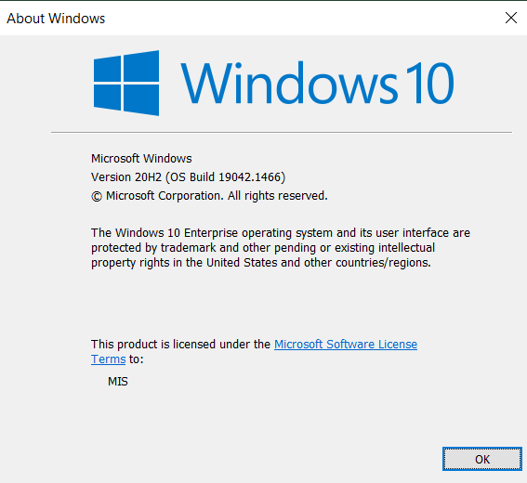 |  | 2022-02-14 | OK
13 | Microsoft Update and so on | Is the latest security update of WSUS or Microsoft Update applied? | 1. Click Start button 2. Select "Settings" 3. Click "Update & Security" 4. Is the status say's "You're up to date" with last checked at least the previous day? | 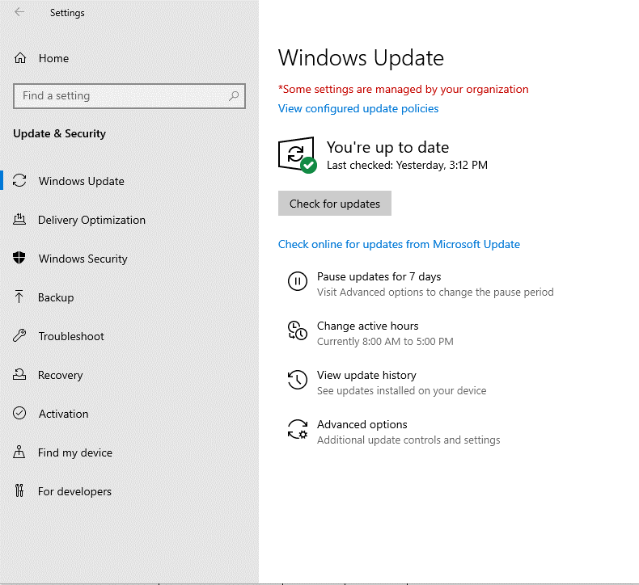 | 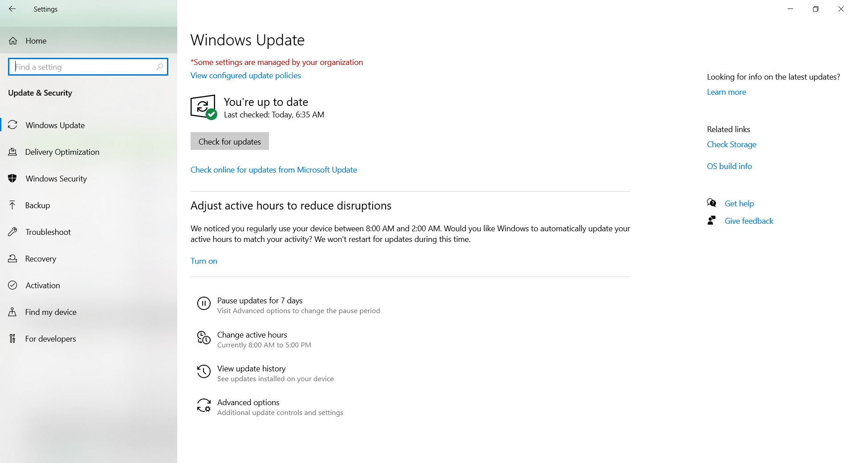 | 2022-02-14 | OK
14 | Support of Adobe Flash Player*2 | Is Adobe Flash Player supported ? Please confirm if it is supported. *2 | Adobe stopped supporting Flash player beginning December 31, 2020
15 | Support of Adobe Reader*2 | Is Adobe Reader supported ? Please confirm if it is supported. *2 | Support from vendor expired or not? If expired = NG |  |  | 2022-02-14 | OK
16 | Support of Adobe Acrobat *2 | Is Adobe Acrobat supported ? Please confirm if it is supported. *2 | Support from vendor expired or not? If expired = NG
17 | Support of Java Runtime Plugin*3 | Is Java Runtime Plugin supported ? Please confirm if it is supported. *2 | Support from vendor expired or not? If expired = NG
18 | Support of RealPlayer *4 | Is RealPlayer supported ? Please confirm if it is supported. *2 | Support from vendor expired or not? If expired = NG
19 | Google Desktop「search across computers」 | The 「search across computers」 function of Google Desktop disabled? If applied, please choose NG. | Google Desktop was officially discontinued on September 14, 2011 1. In the windows search, type "Google Desktop" 2. There should be no Google Desktop application found in the laptop
20 | Tool for preventing sending e-mail to outside the company by mistake (SHieldMailChecker) | If you use e-mail, is SHieldMailChecker , tool to prevent sending e-mail to outside the company by mistake, installed ? | 1. Open Outlook 2. Type email address other than @fujitsu.com 3. Is notification appearing? |  |  | 2022-02-14 | OK
21 | Internet Explorer 「autocomplete」[Options] | ・In Internet Explorer Menu, click [Tools]-[Internet Options]-[Contents] tab - [Autocomplete] settings . ・In [Use AutoComplete for] items, is [Ask me before saving passswords] unchecked? |  |  |  | 2022-02-14 | OK
22 | Encryption HDD | Windows user: In the case of laptop, is encryption HDD mounted or encryption software installed? | 1. In the windows search, type "Manage Bitlocker 2. Click result 3. Is the bitlocker status is "on"? | 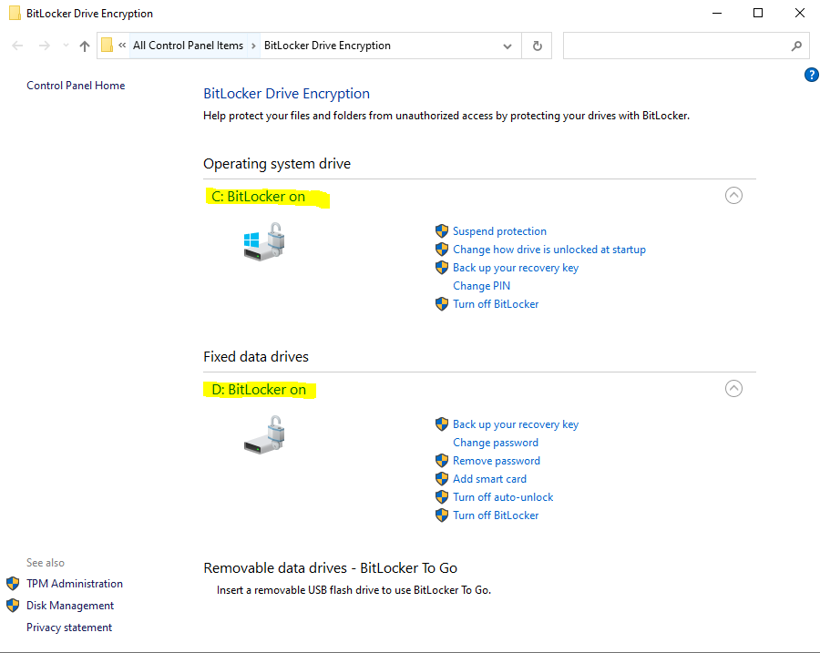 | 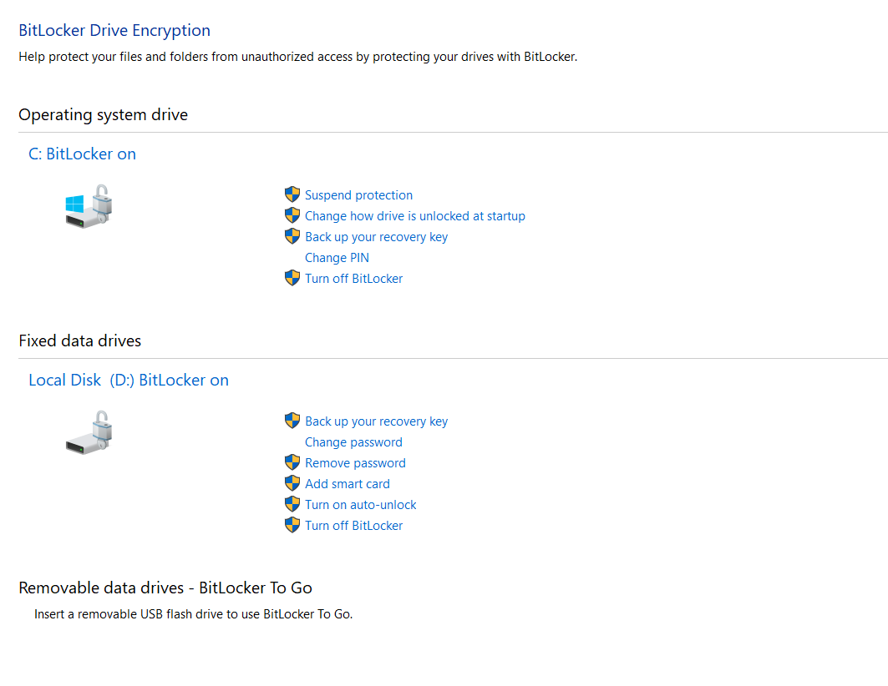 | 2022-02-14 | OK
23 | Local file deletion | Follow the tree command | For targeted members only | 